Scoring sheet
Tinmouth Continuing Education Scholarship Review Sheet

 | Applicant name: | Financial Need (Score x 2) | Independence, tenacity and Grit | Coherence and Clarity of Message | Evidence of Writing Craft and Thought | Total Score | Comments | Susan McIntosh Lloyd Scholarship Score
1
2
3
4
5
6

 | Financial Need: Score 1-5 (and multiply by 2 in scoring column)
 | Independence Tenacity and Grit: Score 1-5
 | Coherence and clarity of message: Score 1-5
 | Evidence of writing craft and thought: Score 1-5
 | Susan McIntosh Lloyd Scholarship: Score 1-5 Student’s plans resonate with Sue's values:
 | focus on making music, and the traditions of farming and forestry

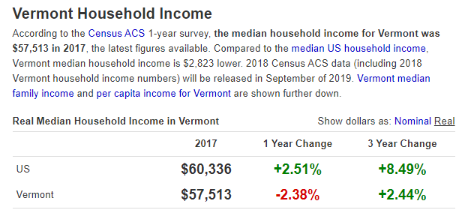

 |  |  |  |  | https://www.deptofnumbers.com/income/vermont/

 | Scoring: Based on the information provided by the student and where they fall on the chart, what do you believe is the student’s level of financial need? Very high financial need would warrant a score of ten (10), while very low financial need would warrant a score of one (1) or zero (0). The State uses the Median Family Income Chart to determine the percentage of financial aid for which a student is eligible (see chart below). You can use this chart to help you score from 0-4. Other Things To Consider: What is their income? Do they support anyone other than themselves? Are they employed or receiving any kind of financial assistance? Did they provide a clear plan of how they will pay for school without a scholarship? In the overview of their financial situation, did they make a strong case as to why they need a scholarship?

